ALU Table
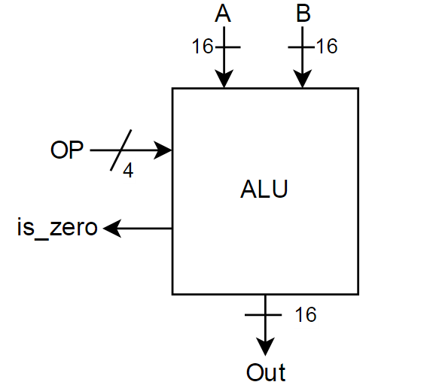
Operation | OP Code | Description
Bitwise NOT | 0000 | Out = A NOT B | Operation | OP Code | Description
Bitwise AND | 0001 | Out = A AND B | Bitwise NOT | 0000 | Out = A NOT B
Bitwise OR | 0010 | Out = A OR B | Bitwise AND | 0001 | Out = A AND B
Addition | 0011 | Out = A + B | Bitwise OR | 0010 | Out = A OR B
Subtraction | 0100 | Out = A - B | Addition | 0011 | Out = A + B
Passthru A | 0101 | Out = A | Subtraction | 0100 | Out = A - B
Passthru B | 0110 | Out = B | Passthru A | 0101 | Out = A
 |  |  | Passthru B | 0110 | Out = B

 | not '0'&A WHEN "0000", -- NOT gate
 | '0'&A and '0'&B WHEN "0001", -- AND gate
 | '0'&A or '0'&B WHEN "0010", -- OR gate
 | unsigned('0'&A) + unsigned('0'&B) WHEN "0011", -- signed or unsigned addition ??
 | unsigned('0'&A) - unsigned('0'&B) WHEN "0100", -- signed or unsigned subtraction ??
 | '0'&A WHEN "0101", -- pass A through ALU
 | '0'&B WHEN "0110", -- pass B through ALU

